Q1
status_name | DELIVERED

Item Names | GMV (in million VND)
Tai Nghe Bluetooth Nhét Tai Apple AirPods 2 True Wireless - Hàng Chính Hãng VN/A | 307.440
Smart Tivi Samsung 4K 55 inch UA55TU8500 | 298.500
Smart Tivi LG 4K 49 inch 49SM8100PTA | 292.600
Tai Nghe Bluetooth Apple AirPods Pro True Wireless - MWP22 - Hàng Chính Hãng VN/A | 221.000
Máy lạnh Sharp Inverter 1 HP AH-X9XEW | 200.000
Tủ Lạnh Aqua 130 lít AQR-T150FA-BS | 192.230
Đồng Hồ Thông Minh Apple Watch SE GPS Only Aluminum Case With Sport Band (Viền Nhôm & Dây Cao Su) - Hàng Chính Hãng VN/A | 179.800
Điện Thoại Samsung Galaxy A21s | 93.800
Nước Tẩy Trang Làm Sạch Sâu Cho Da Nhạy Cảm La Roche-Posay Micellar Water Ultra Sensitive Skin 400ml | 73.425
Kem chống nắng dưỡng da dạng sữa bảo vệ hoàn hảo Anessa Perfect UV Sunscreen Skincare Milk SPF 50+ PA++++ 60ml | 60.280
Điện Thoại Vsmart Star 5 | 53.800
Điện thoại Xiaomi POCO M3 | 39.900
Điện thoại Vivo Y12s | 38.610
Chuột Không Dây Logitech M331 Silent | 32.718
Kem Dưỡng Làm Dịu Kích Ứng Và Phục Hồi Da La Roche-Posay Cicaplast Baume B5 (40ml) | 25.900
Dầu Gội Rejoice Siêu Mượt - 900ML | 25.488
Sữa rửa mặt làm sạch từ trà xanh đảo Jeju Innisfree Green Tea Foam Cleanser 150ml - NEW | 22.660
Thẻ Nhớ Micro SD Samsung Evo Plus U1 32GB Class 10 - 95MB/s (Kèm Adapter) | 13.770
Tủ lạnh Samsung Inverter 208 lít RT19M300BGS/SV | 12.780
Điện Thoại Vsmart Joy 4 | 9.870
APPLE AIRPODS 2 TRUE WIRELESS HAS THE MOST HIGHEST GMV

Q2
DAY WITH HIGHEST COMPLETED ORDERS
Weekday | Number of orders
 | DELIVERED
Sunday | 284
Number of Completed Orders by Days
 | Total
Monday | 50
Tuesday | 91
Wednesday | 96
Friday | 106
Thursday | 108
Saturday | 219
Sunday | 284

Q3
MOST FREQUENT CUSTOMER
Customer Id | Number of Orders | Quantity Sold | Spendings (in million VND)
46187 | 7 | 8 | 13.409

Q4
MOST FREQUENT CUSTOMER
Timestamp | Customer ID
Category | 46187
2021-01-24, 11:00
Home Appliances | 1
2021-01-27, 00:20
Beauty | 1
2021-02-16, 22:37
Home Appliances | 1
2021-03-26, 00:21
Beauty | 1
2021-04-18, 12:10
Home Appliances | 1
2021-05-23, 23:45
Tech Gadgets | 2
2021-05-28, 00:10
Beauty | 1
Home Appliances are bought after Beauty

Q5
Quantities by Category over Months,H1/2021
 | Grand Total | Beauty | Home Appliances | Mobiles | Tech Gadgets
Jan | 182 | 116 | 12 | 11 | 43
Feb | 109 | 56 | 14 | 10 | 29
Mar | 172 | 102 | 26 | 5 | 39
Apr | 212 | 121 | 20 | 12 | 59
May | 343 | 197 | 26 | 23 | 97
Jun | 35 | 18 | 5 | 2 | 10

Home Appliances generate the MOST sales while the LEAST was Beauty category.
However, Beauty was OUT PERFORMING in quantity sold due to small values of products; Home Appliances's items have higher values => better sales even with small quantity
=> All Categories showed promising and continous growth until May/2021 where there was a STEEP DROP for all.

Sales Contribution by Categories over months, H1/2021
 | Beauty | Home Appliances | Mobiles | Tech Gadgets
Jan | 0.1195093921 | 0.28354535785 | 0.1171766947 | 0.47976855535
Feb | 0.08029837144 | 0.55224755027 | 0.15278517027 | 0.21466890803
Mar | 0.088435461366 | 0.60787493777 | 0.047757328667 | 0.2559322722
Apr | 0.097501721501 | 0.36241287387 | 0.10631262457 | 0.43377278006
May | 0.10288356811 | 0.45117430784 | 0.12210936137 | 0.32383276268
Jun | 0.048493077613 | 0.5647827106 | 0.064495793226 | 0.32222841856
Sales and Growth Rate over months, in million VND, H1/2021
 | Sales | Growth Rate
Jan | 350667000
Feb | 261151000 | -26%
Mar | 467991000 | 79%
Apr | 440023000 | -6%
May | 664732000 | 51%
Jun | 123729000 | -81%
Category | Quantity Sold | GMV (mn VND)
Beauty | 610 | 221,558
Home Appliances | 103 | 1,057,390
Mobiles | 63 | 239,270
Tech Gadgets | 277 | 790,075
Grand Total | 1053 | 2,308,293

In January, Tech Gadgets accounted for half of total sales but got surpassed by Home Appliances in the end of H1.
Beauty's sales had been gradually decreasing overtime from 11.95% to 2.85%
Home Appliances and Tech Gadgets appear to be more volatile in their contribution, with sales contribution fluctuating month-to-month.

Q6
Total Sales
2.308 billion VND
Average Spendings
2.318 million VND
Churn Rate (*)
96.06%

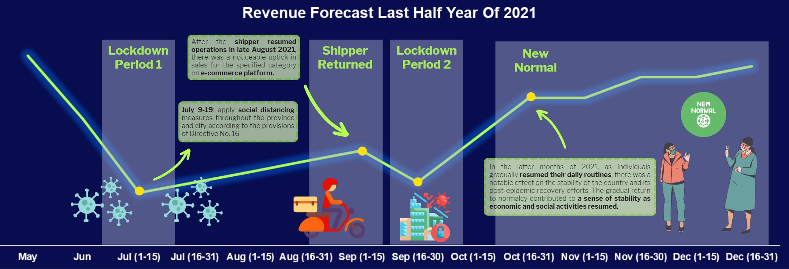
 | Total
Jan | 176
Feb | 100
Mar | 166
Apr | 204
May | 314
Revenue on H1/2021
On July 9-19: apply social distancing measures throughout the province and city according to the provisions of Directive No. 16
After the shipper resumed operations in late August 2021, there was a noticeable uptick in sales for the specified category on e-commerce platform.
In the latter months of 2021, as individuals gradually resumed their daily routines, there was a notable effect on the stability of the country and its post-epidemic recovery efforts. The gradual return to normalcy contributed to a sense of stability as economic and social activities resumed.
=> Revenue for Quarter 4/2021 would have more POSITVE outcomes.

(*) NOTE
Total customers: 940 customers (1 Jan to 6 Jun)
Exit customers: 903 (only buy once not comeback)
Retain customers: 37 (equal and greater than 2 orders)
HEAT MAP SHOWING NUMBER OF ORDER DURING PEAK TIME, H1/2021
Top 5 Items sold at specific peak hours
 | Total
Chuột Không Dây Logitech M331 Silent | 85
Dầu Gội Rejoice Siêu Mượt - 900ML | 144
Kem chống nắng dưỡng da dạng sữa bảo vệ hoàn hảo Anessa Perfect UV Sunscreen Skincare Milk SPF 50+ PA++++ 60ml | 87
Nước Tẩy Trang Làm Sạch Sâu Cho Da Nhạy Cảm La Roche-Posay Micellar Water Ultra Sensitive Skin 400ml | 161
Sữa rửa mặt làm sạch từ trà xanh đảo Jeju Innisfree Green Tea Foam Cleanser 150ml - NEW | 97

Count of order_no | Column Labels
Hour | Monday | Tuesday | Wednesday | Thursday | Friday | Saturday | Sunday
2:00:00 |  |  | 1 | 1
4:00:00 |  |  |  |  | 1 | 2
6:00:00 | 1 | 2 | 1 | 3 | 5 | 7 | 22
8:00:00 | 4 | 4 | 4 | 7 | 8 | 8 | 13
10:00:00 | 6 | 10 | 7 | 12 | 8 | 13 | 16
12:00:00 | 9 | 20 | 26 | 20 | 21 | 45 | 42
14:00:00 | 2 | 2 | 1 | 8 | 4 | 13 | 19
16:00:00 | 2 | 2 | 5 | 3 | 3 | 13 | 16
18:00:00 | 2 | 1 | 2 |  | 2 | 4 | 9
20:00:00 | 6 | 21 | 18 | 23 | 26 | 46 | 50
22:00:00 | 12 | 16 | 15 | 24 | 14 | 43 | 61
0:00:00 | 10 | 19 | 22 | 9 | 17 | 36 | 46
Grand Total | 54 | 97 | 102 | 110 | 109 | 230 | 294
Customers tend to purchase more on during evening to midnight (8PM - 12AM), especially at weekends
=> For H2/2021, we can continue our focus on motivating customer to buy more during these peak hours by offering flash deal or vouchers.

